TCQS
REPORT TESTING TCQS WEB

Stt | Funtion test |  | Status
1 | Yield Rate Default | 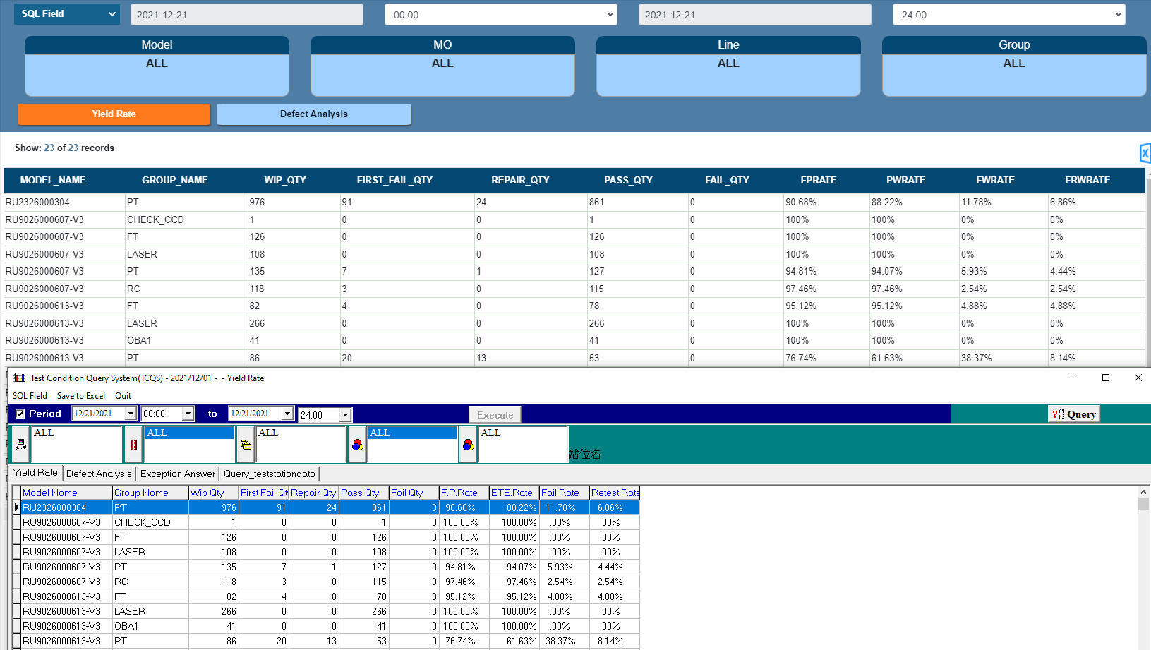 | Done
2 | Yield Rate By Date |  | Done
3 | Yield Rate By Station Name | 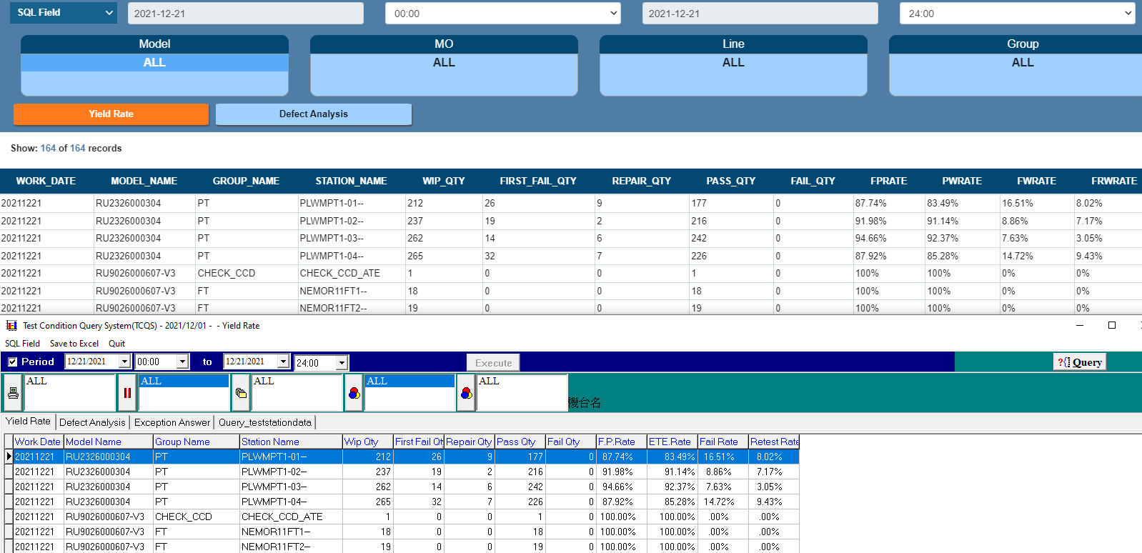 | Done
4 | Defect | 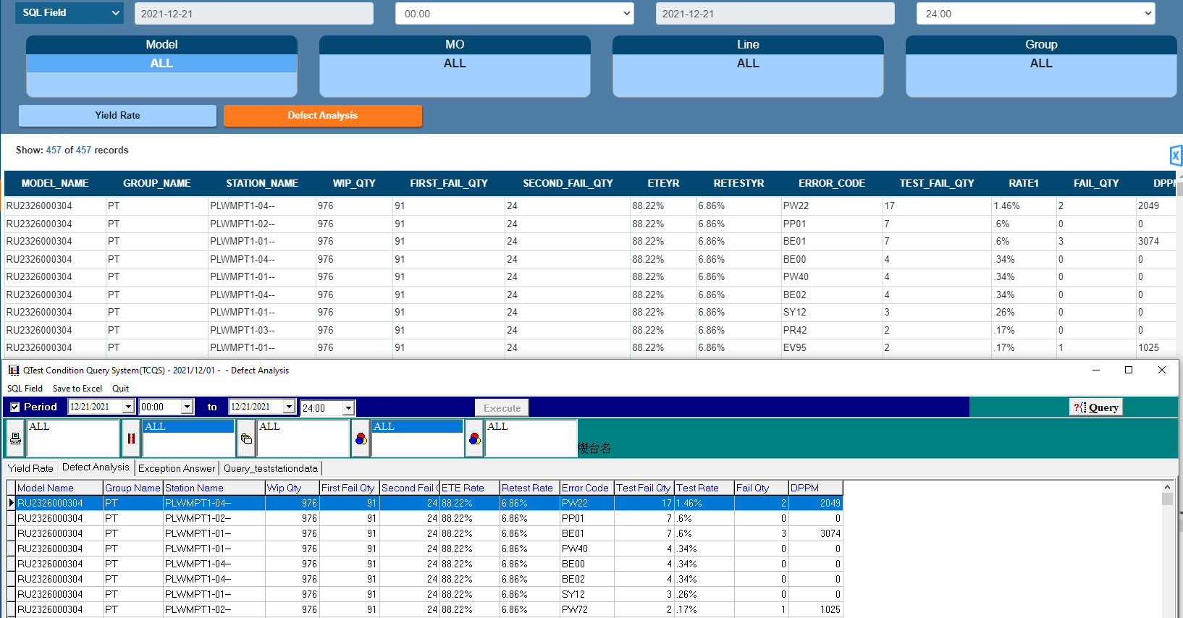 | Done

